Dashboard
By 2020, the store has to ACCELERATE sales by 25%,
Used What-If Analysis
MonteCarlo Simulations &
Excel Forecasting Functions

Sales
 | Total
2016 | 121020
2017 | 107563
2018 | 153832
2019 | 149160
2016 | 164831
2017 | 192062
2018 | 193609
2019 | 340530
2016 | 108894
2017 | 80235
2018 | 108433
2019 | 145643
2016 | 180714
2017 | 200042
2018 | 259415
2019 | 395903
2019-Sales
Central | 149160
East | 340530
South | 145643
West | 395903
2020-Sales(Target)
 | 2020(Target)
Central | 186450
East | 425663
South | 182054
West | 494879
1031236

2020-Sales
 | 2020 forecast
 | 165566 | 186450
 | 354919 | 425663
 | 145413 | 182054
 | 435254 | 494879
2019-sales
Central | 149160
East | 340530
South | 145643
West | 395903
Fore cast
Target
Actual
 | Sum of Quantity-2019 | Sum of Quantity-2020
Central Phones | 191 | 497.82763968
East Appliances | 120 | 463
South Phones | 253 | 504.0692813
West Copiers | 60 | 153.34423137
Monte Carlo Risk : 18 %
Monte Carlo Risk : 10 %
Monte Carlo Risk : 20 %

2020 sales(25%)
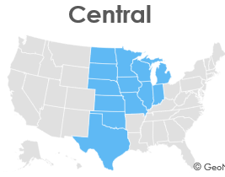
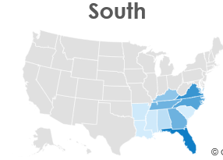
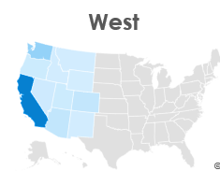
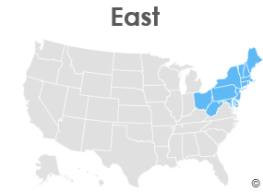
ACTUAL SALES
ADDITIONAL
TARGET
FORECAST
IMPROVED

SalesTeam performance Analysis
Sales Team Performance
 | Last Month Sales | Christmas Month A | Growth Rate
A1 | $45 | $38 | -16%
A2 | $55 | $37 | -33%
S2 | $10 | $28 | 180%
S1 | $15 | $24 | 60%
P1 | $2 | $11 | 450%
P2 | $3 | $12 | 300%

sales-region forecast
Row Labels | Sum of Sales | Central |  |  | east |  | south |  |  | west
Central |  | 2016 | 121020 |  | 2016 | 164831 | 2016 | 108894 |  | 2016 | 180714
2016 | 121020 | 2017 | 107563 |  | 2017 | 192062 | 2017 | 80235 |  | 2017 | 200042
2017 | 107563 | 2018 | 153832 |  | 2018 | 193609 | 2018 | 108433 |  | 2018 | 259415
2018 | 153832 | 2019 | 149160 |  | 2019 | 340530 | 2019 | 145643 |  | 2019 | 395903
2019 | 149160 | 2020 | 165566 |  | 2020 | 354919 | 2020 | 145412.5 |  | 2020 | 435253.5
East
2016 | 164831 |  | central | east | south | west
2017 | 192062 | 2016 | 103850 | 128403 | 103843 | 147878 | Region | 2019 | 2020(Forecasted) | 2020(Target)
2018 | 193609 | 2017 | 102875 | 156342 | 71365 | 139978 | Central | 149160 | 165566 | 186450
2019 | 340530 | 2018 | 147434 | 180706 | 93617 | 187498 | East | 340530 | 354919 | 425662.5
South |  | 2019 | 147097 | 213102 | 122925 | 250160 | South | 145643 | 145413 | 182053.75
2016 | 108894 | 2020 | 176691 | 240143 | 147529 | 302727 | West | 395903 | 435254 | 494878.75
2017 | 80235 | target | 183871.25 | 266377.5 | 153656.25 | 312700
2018 | 108433
2019 | 145643
West
2016 | 180714
2017 | 200042
2018 | 259415
2019 | 395903
Grand Total | 2901886

sales-Region
Row Labels | Sum of Sales
Central
2016 | 121020
2017 | 107563
2018 | 153832
2019 | 149160
East
2016 | 164831
2017 | 192062
2018 | 193609
2019 | 340530
South
 | Total
2016 | 121020
2017 | 107563
2018 | 153832
2019 | 149160
2016 | 164831
2017 | 192062
2018 | 193609
2019 | 340530
2016 | 108894
2017 | 80235
2018 | 108433
2019 | 145643
2016 | 180714
2017 | 200042
2018 | 259415
2019 | 395903
2016 | 108894
2017 | 80235
2018 | 108433
2019 | 145643
West
2016 | 180714
2017 | 200042
2018 | 259415
2019 | 395903
Grand Total | 2901886

2020-target&forecast
 | Sales
Region | 2019 | 2020(Forecasted) | 2020(Target) |  | Region | 2020(Target) | 2020(Forecasted)
Central | 149160 | 165566 | 186450 | -20884 | Central | 186450 | 165566
East | 340530 | 354919 | 425663 | -70744 | East | 425663 | 354919
South | 145643 | 145413 | 182054 | -36641 | South | 182054 | 145413
2019
2020
1031236
Target
Forecast
Actual
West | 395903 | 435254 | 494879 | -59625 | West | 494879 | 435254
total | 1031236

2019
2020
1031236

